Which Umbrella
 |  |  |  |  | Number of students: | 34
32 | 2 | 20 |  | 18 | hit F9 to refresh
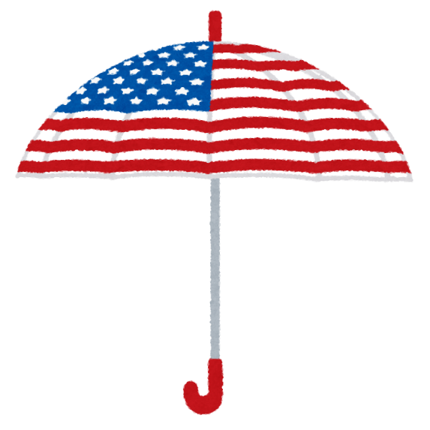 | 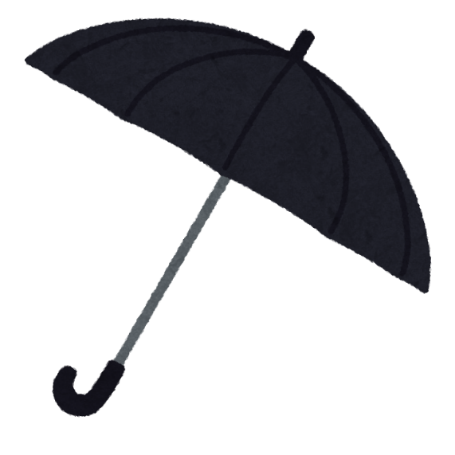 |  | 

Whose Stationery
 |  |  |  | Number of students: | 34
24 | 7 | 19 | 32 | hit F9 to refresh
 | 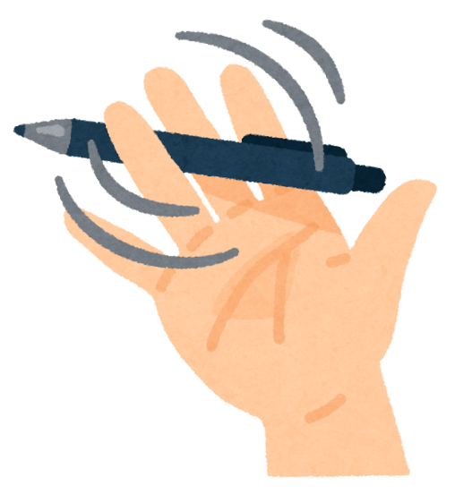 | 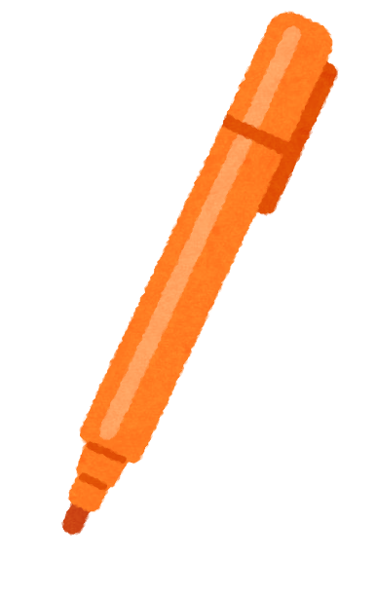 | 

